001
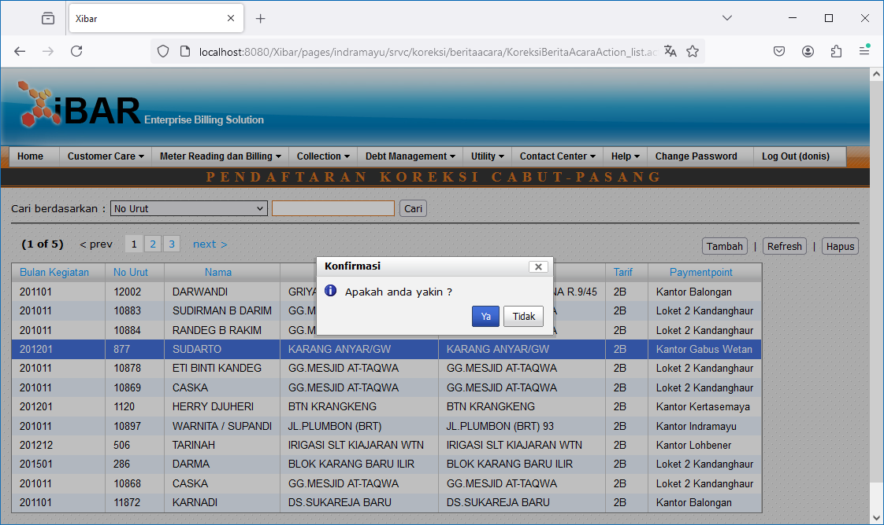
Meter Reading dan Billing | Koreksi Cabut Pasang (Ganti Meter) | Pendaftaran Koreksi Cabut Pasang
http://localhost:8080/Xibar/pages/indramayu/srvc/koreksi/beritaacara/KoreksiBeritaAcaraAction_list.action

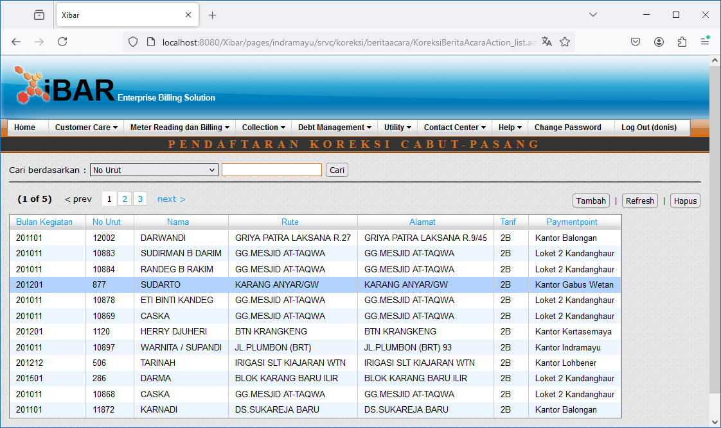

Double Click

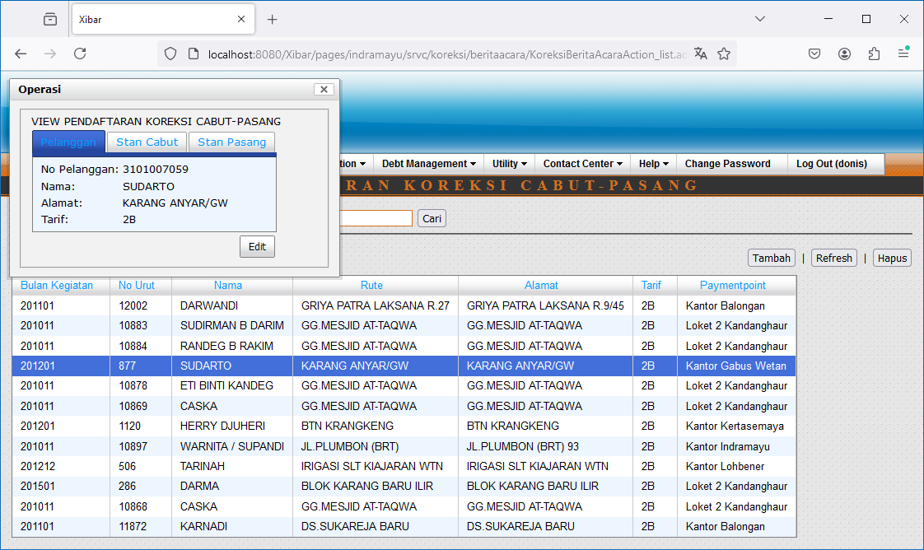
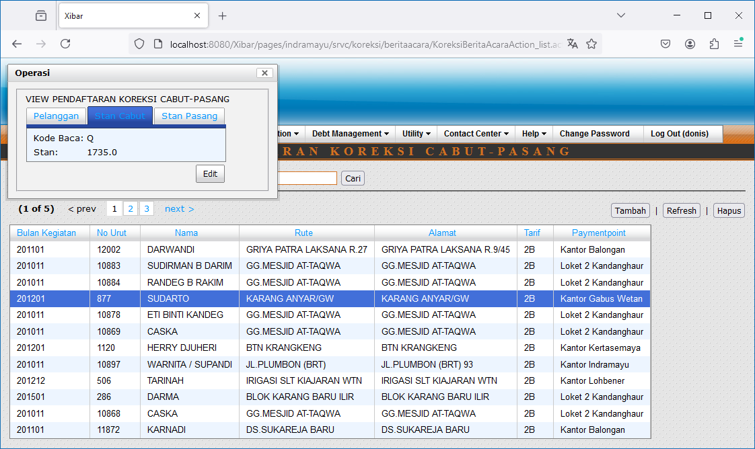
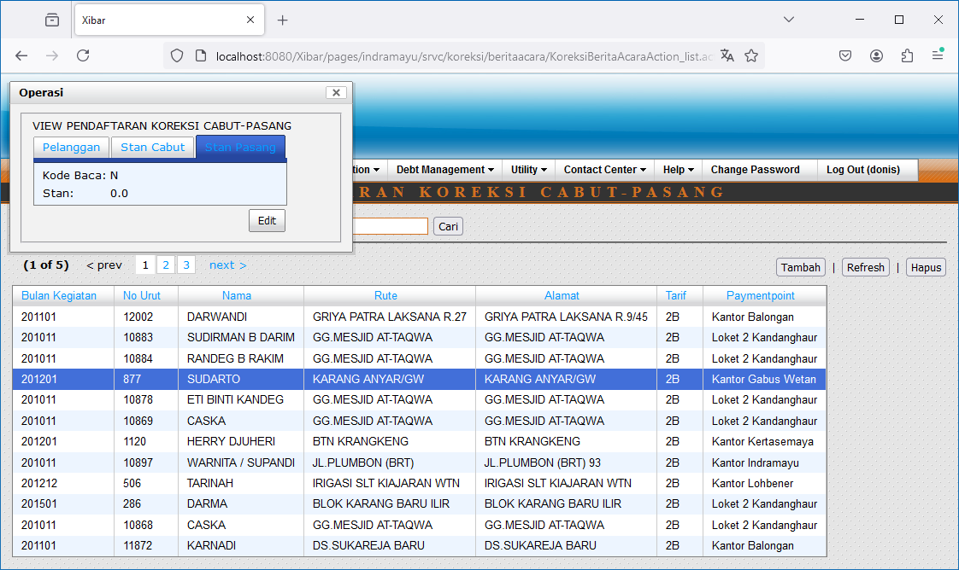

Edit

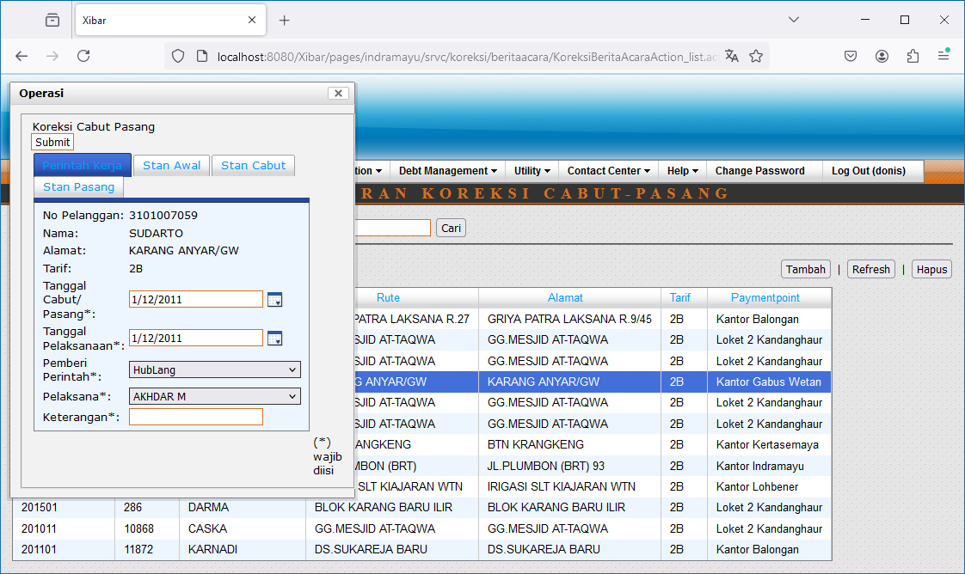
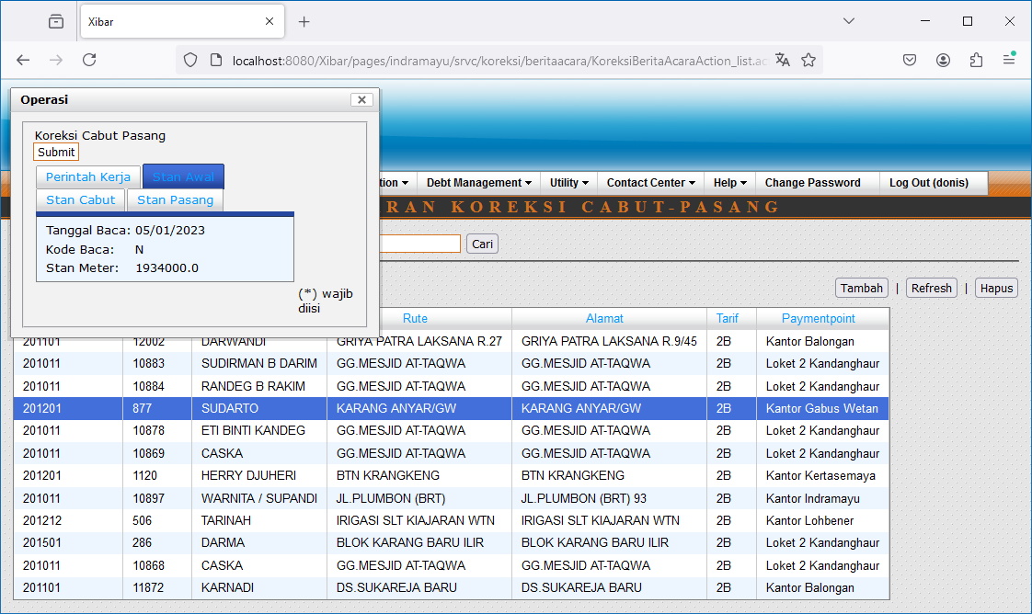
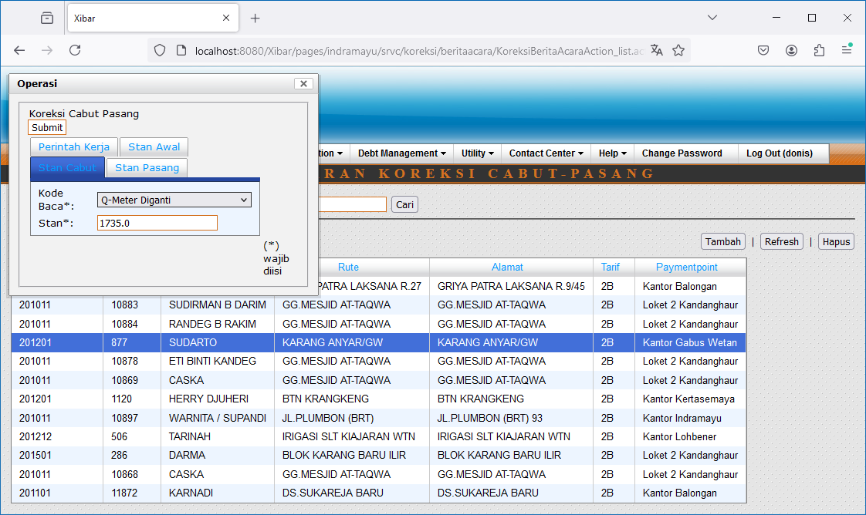
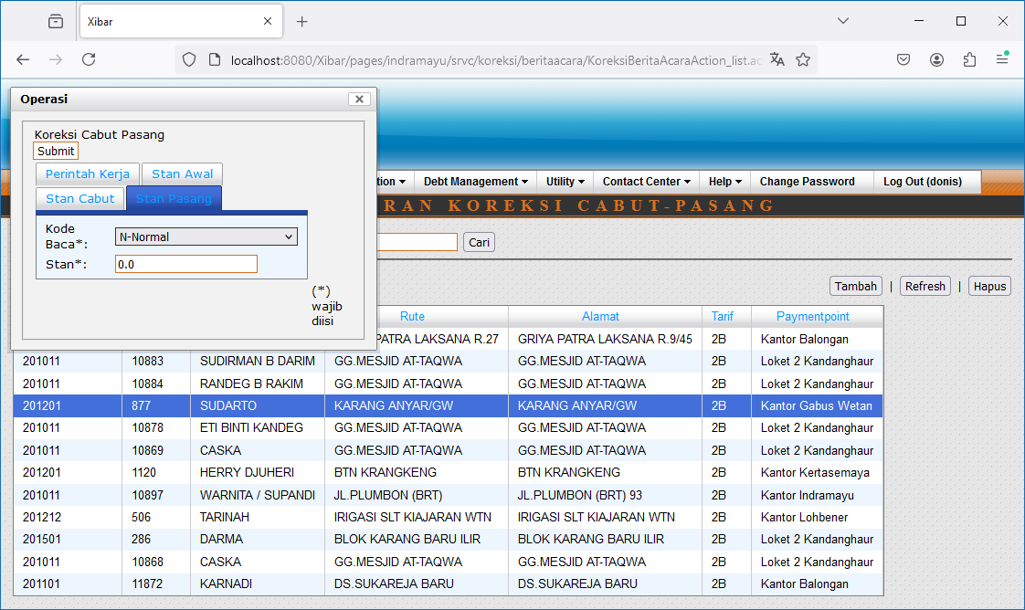

Tambah
http://localhost:8080/Xibar/pages/indramayu/srvc/koreksi/beritaacara/KoreksiBeritaAcaraAction_contractlist.action

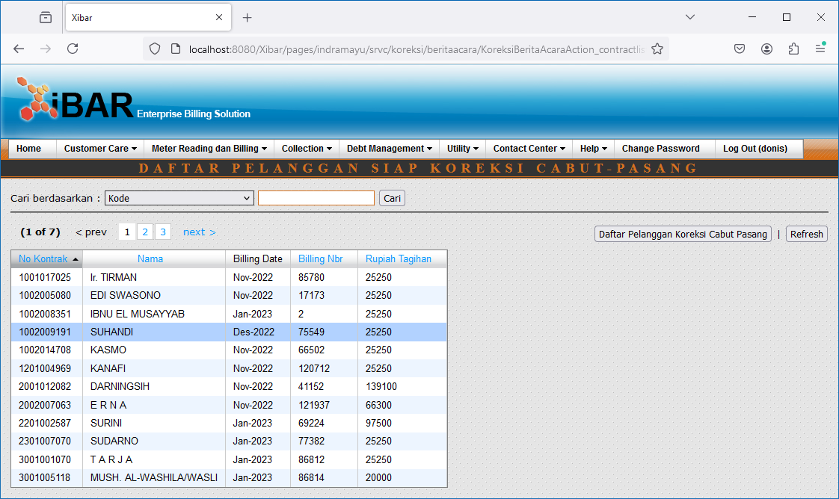

Double Click

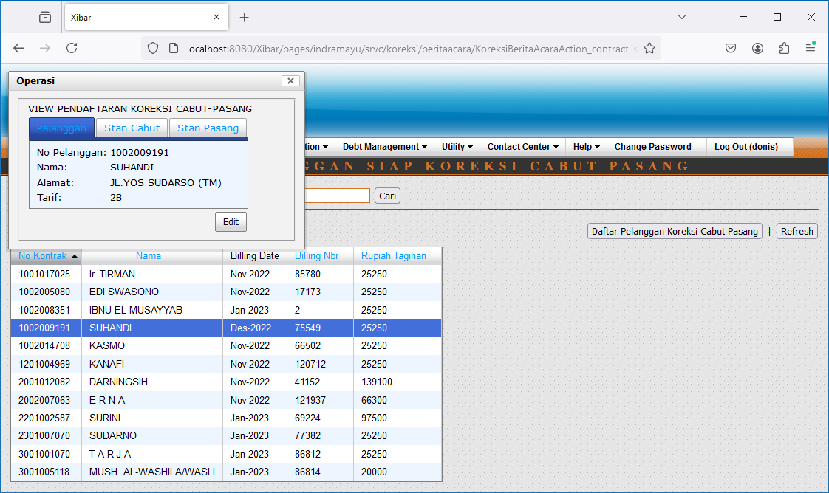
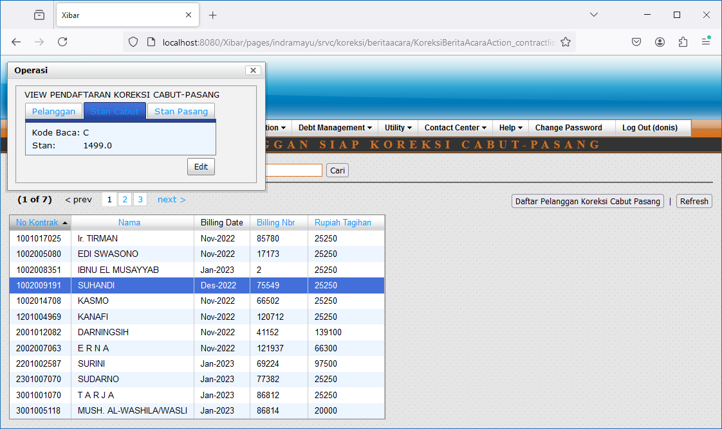
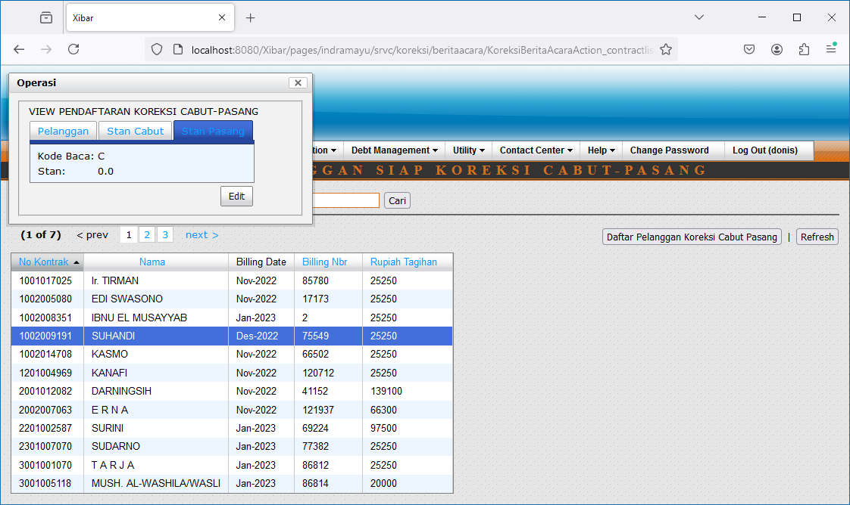

Edit

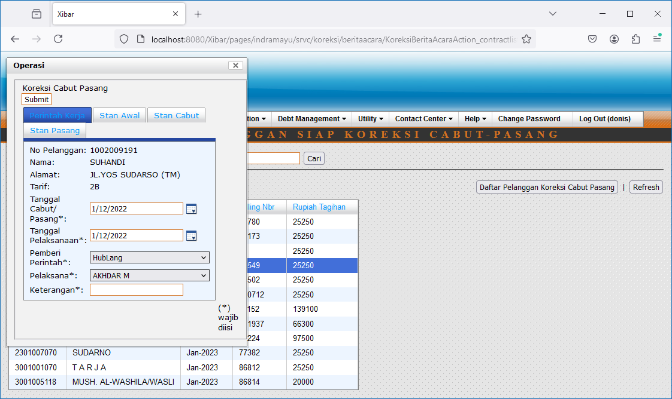
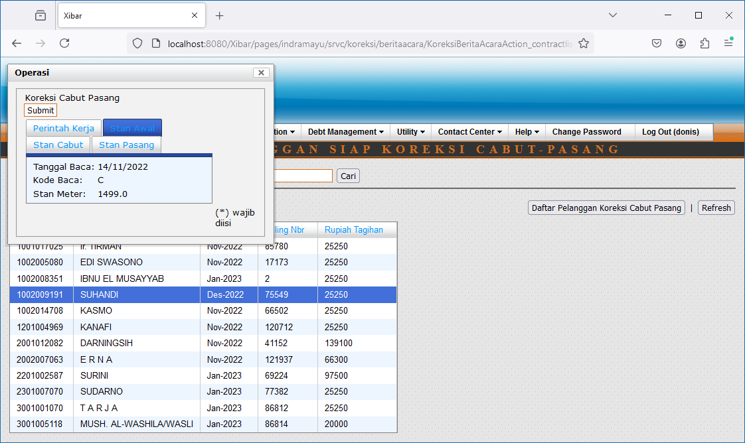
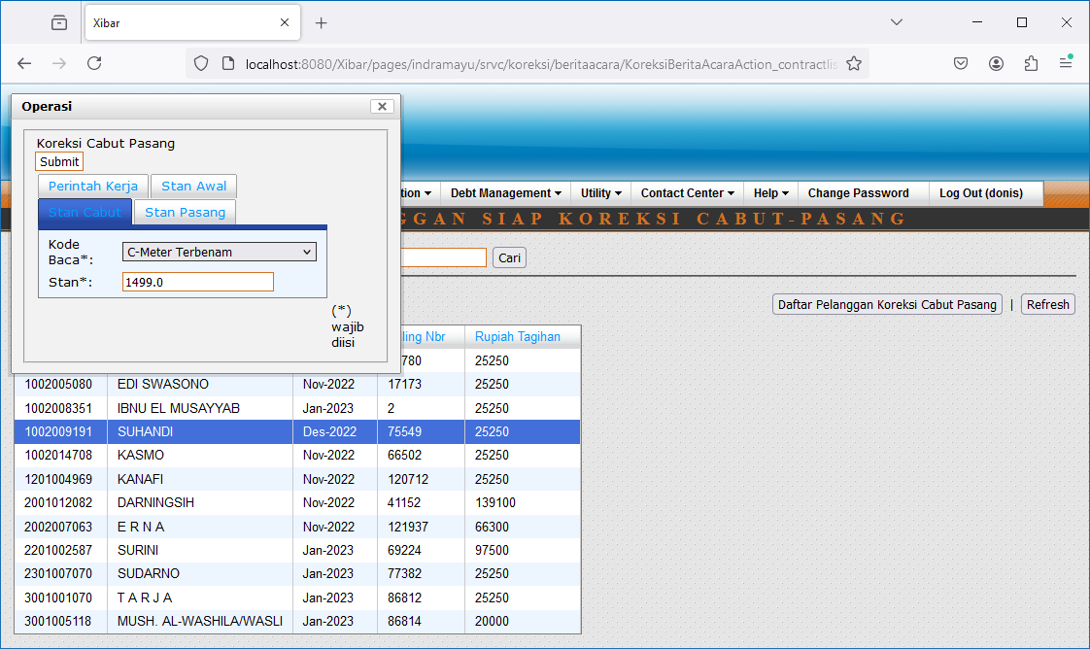
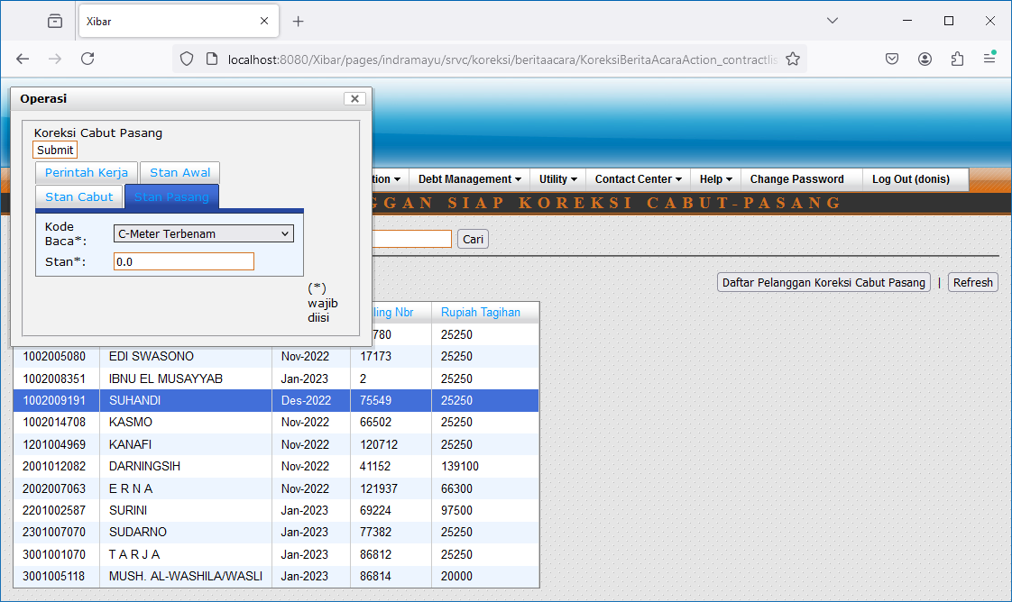

Hapus

002
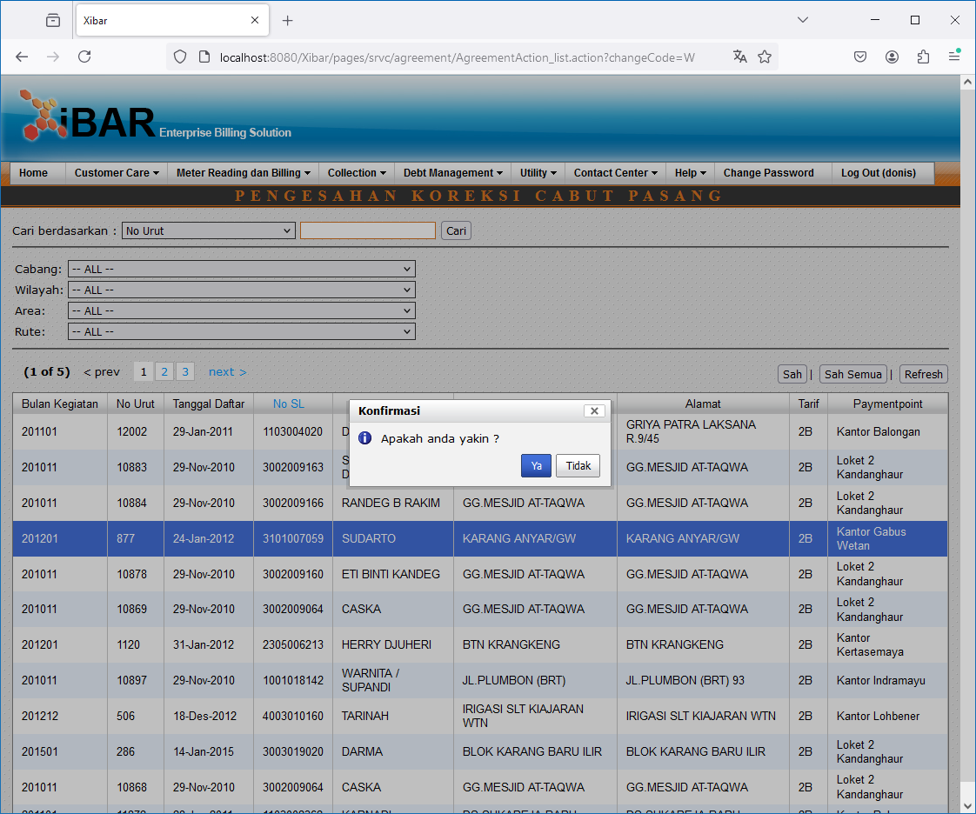
Meter Reading dan Billing | Koreksi Cabut Pasang (Ganti Meter) | Pengesahan
http://localhost:8080/Xibar/pages/srvc/agreement/AgreementAction_list.action?changeCode=W

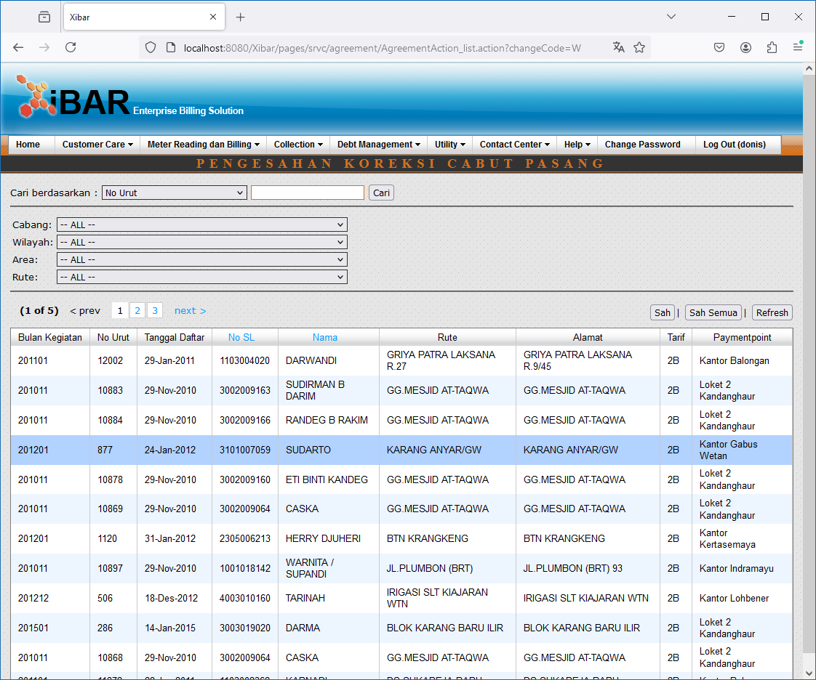

Sah // Sah Semua

003
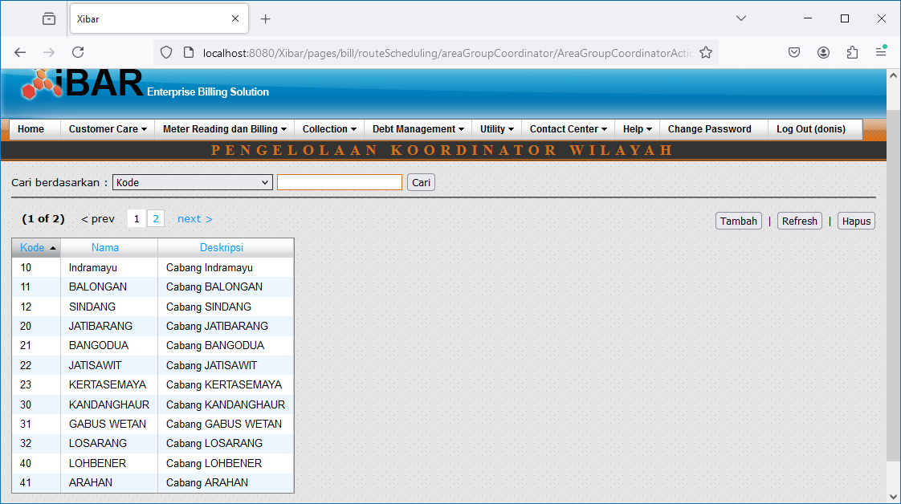
Meter Reading dan Billing | Pengelolaan Rute Baca Meter(RBM) | Pengelolaan Wilayah Baca Meter | Pengelolaan Koordinator Wilayah Baca Meter
http://localhost:8080/Xibar/pages/bill/routeScheduling/areaGroupCoordinator/AreaGroupCoordinatorAction_list.action

